Generator
ID | Subject (Template) | Subject (Free Input) | Medium | Style | Artist | Website | Resolution | Detail | Color | Lighting | People | Custom1 | Custom2 | Negative prompt template | Remove Objects | Prompt (Ctrl-C to copy) | Negative Prompt (Ctrl-C to copy) | Model | Width | Height | Sampling method | Steps | Seed | Image/link
chicken boat |  | A chicken sailing a boat | underwater steampunk photograph, ultra realistic illustration, portrait, still life | fantasy, Impressionist | Krenz Cushart, Vincent van Gogh, Stanley Artgerm Lau, Tooth Wu | cgsociety | Canon50, highly detailed | Cinematic, sci-fi | colorful, muted colors | radiant light rays |  |  |  | [universal sharp] | moon | underwater steampunk photograph, ultra realistic illustration, portrait, still life of A chicken sailing a boat , fantasy, Impressionist, by Krenz Cushart, Vincent van Gogh, Stanley Artgerm Lau, Tooth Wu, cgsociety, Canon50, highly detailed, Cinematic, sci-fi, colorful, muted colors, radiant light rays | moon, ugly, tiling, poorly drawn hands, poorly drawn feet, poorly drawn face, out of frame, extra limbs, disfigured, deformed, body out of frame, bad anatomy, watermark, signature, cut off, low contrast, underexposed, overexposed, bad art, beginner, amateur, distorted face, blurry, draft, grainy | Stable Diffusion v1.5 | 768 | 512 | Euler | 25 | 111 |  | 
autumn armas | [autum paris] |  |  | Photorealism | Andrew Warhol | artstation | Canon50 | bokeh, intricate design | vintage | cinematic lighting |  |  |  | [universal] |  | autumn in paris, city light, market, Photorealism, by Andrew Warhol, artstation, Canon50, bokeh, intricate design, vintage, cinematic lighting | ugly, tiling, poorly drawn hands, poorly drawn feet, poorly drawn face, out of frame, extra limbs, disfigured, deformed, body out of frame, bad anatomy, watermark, signature, cut off, low contrast, underexposed, overexposed, bad art, beginner, amateur, distorted face | Stable Diffusion v1.5 | 512 | 512 | Euler a | 50 | 2.3041439023E+26 |  | 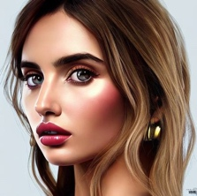
sorceress |  | Emma Watson as a sultry and mysterious sorceress with detailed and realistic clothing and accessories | illustration, full-body |  | Yoshitaka Amano, Dave Rapoza, Zdzisław Beksiński | artstation | HD, 4k | Cinematic, dramtic, sci-fi | vivid | cinematic lighting, backlight |  |  |  | [universal] |  | illustration, full-body of Emma Watson as a sultry and mysterious sorceress with detailed and realistic clothing and accessories, by Yoshitaka Amano, Dave Rapoza, Zdzisław Beksiński, artstation, HD, 4k, Cinematic, dramtic, sci-fi, vivid, cinematic lighting, backlight | ugly, tiling, poorly drawn hands, poorly drawn feet, poorly drawn face, out of frame, extra limbs, disfigured, deformed, body out of frame, bad anatomy, watermark, signature, cut off, low contrast, underexposed, overexposed, bad art, beginner, amateur, distorted face | Stable Diffusion v1.4 | 512 | 768 | DPM++ 2M Karras | 23 | 1707571613580612 |  | 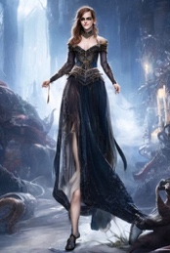
realistic human | [realistic human) |  |  |  |  |  |  |  |  |  |  |  |  | [minimalist portrait] |  | a young female, highlights in hair, sitting outside restaurant, blue eyes, wearing a dress, side light | disfigured, ugly, bad, immature | Stable Diffusion v1.5 | 512 | 712 | Euler a | 27 | 799532037 |  | 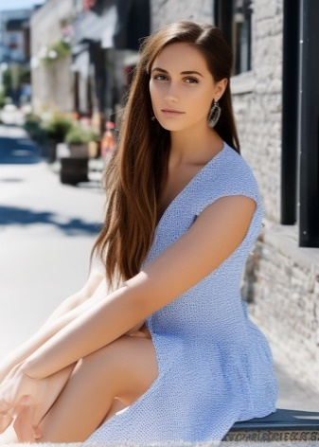
portrait2 | [realistic human) | emma watson | illustration, close-up | fantasy, hyperrealistic | Alphonse Mucha, Stanley Artgerm Lau | artstation | HD, highly detailed | Cinematic, heavenly | vibrant color | cinematic lighting, studio lighting, dark studio |  |  |  | [universal sharp] |  | illustration, close-up ofa young female, highlights in hair, sitting outside restaurant, blue eyes, wearing a dress, side light emma watson, fantasy, hyperrealistic, by Alphonse Mucha, Stanley Artgerm Lau, artstation, HD, highly detailed, Cinematic, heavenly, vibrant color, cinematic lighting, studio lighting, dark studio | ugly, tiling, poorly drawn hands, poorly drawn feet, poorly drawn face, out of frame, extra limbs, disfigured, deformed, body out of frame, bad anatomy, watermark, signature, cut off, low contrast, underexposed, overexposed, bad art, beginner, amateur, distorted face, blurry, draft, grainy | Stable Diffusion v1.5 | 512 | 712 | Euler a | 27 | 799532039 |  | 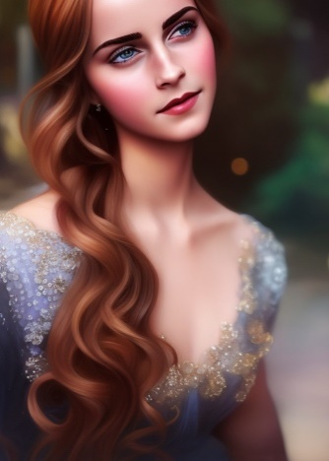
 | [realistic human) | 1girl, 20years old, korea, japanese, | cinematic movie still | hyperrealistic, full body |  | pixabay | Canon50, 8k, photorealistic, tack sharp, Fujifilm XT3 | dramtic | aesthetic | studio lighting, well-lit | Looking at viewer, k-pop |  |  | [universal sharp] |  | cinematic movie still ofa young female, highlights in hair, sitting outside restaurant, blue eyes, wearing a dress, side light 1girl, 20years old, korea, japanese, , hyperrealistic, full body, pixabay, Canon50, 8k, photorealistic, tack sharp, Fujifilm XT3, dramtic, aesthetic, studio lighting, well-lit, Looking at viewer, k-pop | ugly, tiling, poorly drawn hands, poorly drawn feet, poorly drawn face, out of frame, extra limbs, disfigured, deformed, body out of frame, bad anatomy, watermark, signature, cut off, low contrast, underexposed, overexposed, bad art, beginner, amateur, distorted face, blurry, draft, grainy | Stable Diffusion v1.5 | 512 | 768 | DPM++ 2M Karras | 50
 |  |  | image, depiction, photograph, fashion photography | hyperrealistic |  | iStock, pixabay, National Geographic | sharp focus, 8k, Fujifilm XT3, ultra highres | dramtic, seductive, intricate design, award winning art | colorful, ektachrome | diffuse lighting, studio lighting, ambient light, chiaroscuro, well-lit | blouse |  |  |  |  | image, depiction, photograph, fashion photography of, hyperrealistic, iStock, pixabay, National Geographic, sharp focus, 8k, Fujifilm XT3, ultra highres, dramtic, seductive, intricate design, award winning art, colorful, ektachrome, diffuse lighting, studio lighting, ambient light, chiaroscuro, well-lit, blouse | #REF!

